Bug report
eBay
OS: Windows 11, Browser: Google Chrome |  |  |  | Tested by : Vyshnavi C V
Verified by : |  |  |  | Date : 10-02-2025
Bug_ID | Expected Results | Bug Description | Steps to Reproduce | Screenshot | Severity | Priority | Status
DEF_EB_RG_01 | Should display an error message | Allows spaces also | 1. Open the eBay 2. Click on register 3. Enter the first name with space |  | Minor | Low | New
DEF_EB_SH_01 | The heading should shows with an underline for highlight | "Deals" and "Help & contact" heading do not shows the underline in buying session | 1. Open the website 2. Sign in or log in 3. Move the mouse to "Deals" or " Help & Contact" |  | Minor | Low | New
DEF_EB_SH_02 | Suddenly Navigate to the watchlist page and view the product | It takes sometime to load the page and view the product page | 1. Open the website 2. Click on watchlist |  | Minor | Low | New
DEF_EB_PD_01 | Page should be nagivate to the motorcycle parts | clicking on motorcycle parts it shows that page not working properly | 1.Open the website 2. Select category 3. Click on motors 4. Click on motor parts |  | Major | High | New
DEF_EB_PD_02 | Should navigate to the Product page | It should shows an error message " page isn't working" | 1. Open the website 2. Scroll down 3. Click on P & A | 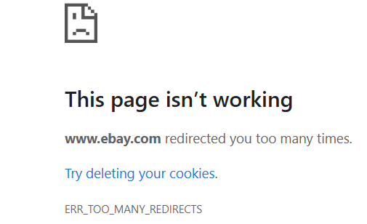 | Major | High | New

Defect disrtibution
eBay
Module Name | Defect Distribution
Register | 1
Search | 2
Product | 2
Defect Distribution vs. Module Name
Cart | 0
Order Management | 0

